Intro
 | Analysistabs - Resource Plan Template | Get our Premium Project Management Templates
 | Free Excel Template by analysistabs.com

Info 4 | Resource Planning Template helps you to plan a project resource and bandwidth. You can change the default data and formula to meet your needs.

Resources →
Projects →
Tasks →
Usage 4 | 1. Enter the Resource Names in the Resource Summary Sheet. 2. Then Go to 'Projects' sheet, enter the Project Names. 3. Then go to 'Data Sheet' to enter Tasks and assign them to a Person. HeatMap and Gantt chart is updated automatically based on your data.

1
Share 4 | Analysistabs ™ is developing Free and Premium l Project Management Templates. Please do not share this downloaded file. Instead, you can share our free template page link with your colleagues and friends, it helps us to create better tools and more templates.

*
Email 4 | Please share your feedback or ask questions, Email: info@analysistabs.com

4 Download Now
Please Visit us | 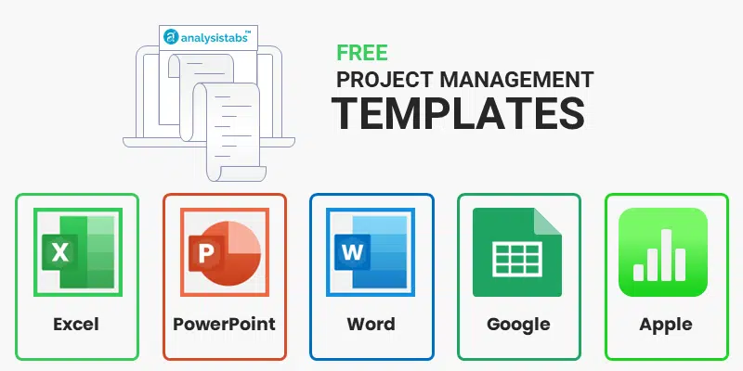
Visit us for more Free Templates and Premium Templates

 | i Please do not delete this worksheet. Instead, you can hide the sheet.

Resource Summary
Resource Bandwidth HeatMap
Resources
Projects
Tasks
Select Project: | All Projects |  |  |  |  |  |  |  |  |  |  |  |  | Year: |  |  | 2026 |  |  |  | Month: |  |  |  | March

Resource Name | Mar-2026 | 2026-03-01 | 2026-03-02 | 2026-03-03 | 2026-03-04 | 2026-03-05 | 2026-03-06 | 2026-03-07 | 2026-03-08 | 2026-03-09 | 2026-03-10 | 2026-03-11 | 2026-03-12 | 2026-03-13 | 2026-03-14 | 2026-03-15 | 2026-03-16 | 2026-03-17 | 2026-03-18 | 2026-03-19 | 2026-03-20 | 2026-03-21 | 2026-03-22 | 2026-03-23 | 2026-03-24 | 2026-03-25 | 2026-03-26 | 2026-03-27 | 2026-03-28 | 2026-03-29 | 2026-03-30 | 2026-03-31
Person 1 | 21 | 3 | 3 | 3 | 1 | 1 | 1 | 1 | 1 | 1 | 1 | 1 | 1 | 1 | 1 | 1 | 0 | 0 | 0 | 0 | 0 | 0 | 0 | 0 | 0 | 0 | 0 | 0 | 0 | 0 | 0 | 0
Person 2 | 0 | 0 | 0 | 0 | 0 | 0 | 0 | 0 | 0 | 0 | 0 | 0 | 0 | 0 | 0 | 0 | 0 | 0 | 0 | 0 | 0 | 0 | 0 | 0 | 0 | 0 | 0 | 0 | 0 | 0 | 0 | 0
Person 3 | 27 | 0.5 | 0.5 | 0.5 | 0.5 | 0.5 | 0.5 | 0.5 | 0.5 | 0.5 | 0.5 | 0 | 0 | 0 | 0 | 0 | 0 | 0 | 0 | 0 | 0 | 2 | 2 | 2 | 2 | 2 | 2 | 2 | 2 | 2 | 2 | 2
Person 4 | 39 | 0 | 0 | 0 | 0 | 0 | 0 | 0 | 0 | 0 | 0 | 0 | 0 | 1.5 | 1.5 | 1.5 | 1.5 | 1.5 | 1.5 | 1.5 | 1.5 | 1.5 | 1.5 | 1.5 | 1.5 | 3 | 3 | 3 | 3 | 3 | 3 | 3
Person 5 | 18.5 | 1.5 | 1.5 | 1.5 | 1.5 | 1.5 | 0 | 0 | 0 | 0 | 0 | 0 | 0 | 0 | 0 | 0 | 0 | 0 | 0 | 0 | 0 | 1 | 1 | 1 | 1 | 1 | 1 | 1 | 1.5 | 1.5 | 0.5 | 0.5
Person 6 | 147 | 1.5 | 3 | 4 | 4 | 3 | 4.5 | 5.5 | 6 | 5 | 5 | 5 | 5 | 8 | 8 | 8 | 8 | 8 | 6.5 | 6.5 | 6 | 6 | 3.5 | 0.5 | 0.5 | 3.5 | 3 | 3 | 3 | 4.5 | 4.5 | 4.5
Person 7 | 99 | 3 | 3 | 3 | 5 | 3.5 | 3.5 | 3.5 | 3.5 | 3.5 | 3 | 3 | 2 | 2 | 2 | 2 | 2 | 2 | 3 | 4 | 5.5 | 3.5 | 3.5 | 3.5 | 3.5 | 3.5 | 3.5 | 3.5 | 3.5 | 3.5 | 3.5 | 2
Person 8 | 50 | 7.5 | 4.5 | 4.5 | 4.5 | 4.5 | 4.5 | 4 | 2.5 | 2.5 | 2.5 | 1 | 1 | 0.5 | 0.5 | 0.5 | 0.5 | 0.5 | 0.5 | 0.5 | 0.5 | 0.5 | 0.5 | 0.5 | 0.5 | 0.5 | 0 | 0 | 0 | 0 | 0 | 0
Person 9 | 188 | 5 | 3.5 | 3.5 | 3.5 | 1.5 | 1.5 | 2.5 | 2.5 | 2 | 4.5 | 4.5 | 4.5 | 6 | 8 | 7.5 | 7.5 | 8 | 9 | 9 | 9 | 9 | 8 | 8 | 9 | 9.5 | 9.5 | 9 | 6 | 6 | 6.5 | 4.5
Person 10 | 98 | 4 | 3.5 | 1.5 | 1.5 | 1.5 | 1.5 | 1.5 | 3 | 3.5 | 3.5 | 3.5 | 3.5 | 2 | 2 | 2 | 3 | 4 | 2.5 | 2 | 2 | 2 | 2 | 3.5 | 3.5 | 3.5 | 5 | 5 | 5 | 5 | 6 | 6

👉 Showing Sum of Planned Hours Per Day (Red = >8 hours)
👉 This is automated Resource Bandwidth HeatMap based on the data in 'Data Sheet'. You can enter the actual data in the Data Sheet to see the HeatMap for your Team .

All Resource | Mar-2026 | 2026-03-01 | 2026-03-02 | 2026-03-03 | 2026-03-04 | 2026-03-05 | 2026-03-06 | 2026-03-07 | 2026-03-08 | 2026-03-09 | 2026-03-10 | 2026-03-11 | 2026-03-12 | 2026-03-13 | 2026-03-14 | 2026-03-15 | 2026-03-16 | 2026-03-17 | 2026-03-18 | 2026-03-19 | 2026-03-20 | 2026-03-21 | 2026-03-22 | 2026-03-23 | 2026-03-24 | 2026-03-25 | 2026-03-26 | 2026-03-27 | 2026-03-28 | 2026-03-29 | 2026-03-30 | 2026-03-31
- Overall Summary |  | 26 | 22.5 | 21.5 | 21.5 | 17 | 17 | 18.5 | 19 | 18 | 20 | 18 | 17 | 21 | 23 | 22.5 | 22.5 | 24 | 23 | 23.5 | 24.5 | 25.5 | 22 | 20.5 | 21.5 | 26.5 | 27 | 26.5 | 24 | 25.5 | 26 | 22.5

Month |  |  |  | Resource |  |  |  |  |  |  |  |  |  | Man-Hours |  |  |  |  |  |  |  |  |  | Working Days
Mar-2026 |  |  |  | 9 People |  |  |  |  |  |  |  |  |  | 687.5 |  |  |  |  |  |  |  |  |  | 31

Browse All Premium Templates4
This is a Free Resource Planning Template Created for Small Teams (Up to 10 People), Please Check out Premium Templates for Unlimited Records

Get Full Unlocked Version
Simple Resource Plan Template4
Ultimate Resource Management Pack (Simple & Advanced) Templates4
All-in-One Project Management Bundle
120+ Premium Templates4

Projects
Project Summary
Resources
Projects
Tasks

Project Name | Activities | Start | End | Duration
Project 1 | 100 | 1-Jan-26 | 6-Nov-26 | 310
Project 2 | 100 | 1-Jun-26 | 2-Apr-27 | 306
Project 3 | 100 | 1-Jan-27 | 24-Sep-27 | 267
Project 4 | 100 | 1-Feb-26 | 9-Dec-26 | 312
Project 5 | 100 | 1-Jan-26 | 4-Mar-27 | 428
Project 6 | 100 | 1-Jan-26 | 29-Aug-26 | 241
Project 7 | 100 | 1-Jan-26 | 6-Nov-26 | 310
Project 8 | 100 | 1-Jan-27 | 24-Sep-27 | 267
Project 9 | 100 | 1-Jun-26 | 2-Apr-27 | 306
Project 10 | 100 | 1-Jun-26 | 22-Nov-27 | 540

Tip: Please enter 'Project Titles' in this sheet, all other columns are calculated automatically.

Data Sheet
Resource Allocation
Resources
Projects
Tasks

ID | Project Name | Activity | Assign To | Start Date | End Date | Hours/Day | Notes
1 | Project 1 | Task/Activity Title | Person 5 | 2026-01-01 | 2026-01-24 | 1
2 | Project 1 | Task/Activity Title | Person 3 | 2026-01-03 | 2026-01-11 | 1.5
3 | Project 1 | Task/Activity Title | Person 6 | 2026-01-04 | 2026-01-09 | 0.5
4 | Project 1 | Task/Activity Title | Person 5 | 2026-01-08 | 2026-01-20 | 1.5
5 | Project 1 | Task/Activity Title | Person 8 | 2026-01-11 | 2026-01-15 | 0.5
6 | Project 1 | Task/Activity Title | Person 5 | 2026-01-12 | 2026-01-15 | 1
7 | Project 1 | Task/Activity Title | Person 9 | 2026-01-16 | 2026-02-04 | 1
8 | Project 1 | Task/Activity Title | Person 5 | 2026-01-18 | 2026-01-30 | 0.5
9 | Project 1 | Task/Activity Title | Person 10 | 2026-01-23 | 2026-02-10 | 1
10 | Project 1 | Task/Activity Title | Person 7 | 2026-01-26 | 2026-01-28 | 1
11 | Project 1 | Task/Activity Title | Person 7 | 2026-01-28 | 2026-02-06 | 1
12 | Project 1 | Task/Activity Title | Person 1 | 2026-02-02 | 2026-02-07 | 1
13 | Project 1 | Task/Activity Title | Person 7 | 2026-02-05 | 2026-02-12 | 0.5
14 | Project 1 | Task/Activity Title | Person 9 | 2026-02-07 | 2026-03-04 | 1.5
15 | Project 1 | Task/Activity Title | Person 1 | 2026-02-09 | 2026-03-03 | 1
16 | Project 1 | Task/Activity Title | Person 5 | 2026-02-14 | 2026-02-15 | 0.5
17 | Project 1 | Task/Activity Title | Person 4 | 2026-02-19 | 2026-02-24 | 0.5
18 | Project 1 | Task/Activity Title | Person 8 | 2026-02-21 | 2026-03-01 | 1.5
19 | Project 1 | Task/Activity Title | Person 1 | 2026-02-26 | 2026-03-15 | 0.5
20 | Project 1 | Task/Activity Title | Person 6 | 2026-03-02 | 2026-03-04 | 0.5
21 | Project 1 | Task/Activity Title | Person 7 | 2026-03-04 | 2026-03-20 | 1
22 | Project 1 | Task/Activity Title | Person 6 | 2026-03-07 | 2026-03-08 | 0.5
23 | Project 1 | Task/Activity Title | Person 9 | 2026-03-10 | 2026-03-30 | 1
24 | Project 1 | Task/Activity Title | Person 6 | 2026-03-13 | 2026-03-22 | 1.5
25 | Project 1 | Task/Activity Title | Person 9 | 2026-03-14 | 2026-04-06 | 1
26 | Project 1 | Task/Activity Title | Person 7 | 2026-03-18 | 2026-04-12 | 0.5
27 | Project 1 | Task/Activity Title | Person 3 | 2026-03-21 | 2026-04-03 | 1
28 | Project 1 | Task/Activity Title | Person 6 | 2026-03-25 | 2026-04-18 | 1.5
29 | Project 1 | Task/Activity Title | Person 6 | 2026-03-29 | 2026-04-12 | 0.5
30 | Project 1 | Task/Activity Title | Person 2 | 2026-04-01 | 2026-04-20 | 0.5
31 | Project 1 | Task/Activity Title | Person 6 | 2026-04-03 | 2026-04-18 | 1
32 | Project 1 | Task/Activity Title | Person 3 | 2026-04-04 | 2026-04-11 | 1
33 | Project 1 | Task/Activity Title | Person 6 | 2026-04-07 | 2026-04-16 | 1.5
34 | Project 1 | Task/Activity Title | Person 10 | 2026-04-12 | 2026-04-28 | 0.5
35 | Project 1 | Task/Activity Title | Person 3 | 2026-04-14 | 2026-04-25 | 1.5
36 | Project 1 | Task/Activity Title | Person 6 | 2026-04-17 | 2026-05-12 | 1
37 | Project 1 | Task/Activity Title | Person 4 | 2026-04-21 | 2026-05-13 | 1.5
38 | Project 1 | Task/Activity Title | Person 4 | 2026-04-23 | 2026-05-12 | 1.5
39 | Project 1 | Task/Activity Title | Person 3 | 2026-04-25 | 2026-05-10 | 1.5
40 | Project 1 | Task/Activity Title | Person 6 | 2026-04-28 | 2026-05-08 | 0.5
41 | Project 1 | Task/Activity Title | Person 7 | 2026-04-29 | 2026-05-03 | 1
42 | Project 1 | Task/Activity Title | Person 10 | 2026-04-30 | 2026-05-16 | 1.5
43 | Project 1 | Task/Activity Title | Person 2 | 2026-05-05 | 2026-05-26 | 1
44 | Project 1 | Task/Activity Title | Person 1 | 2026-05-08 | 2026-05-27 | 0.5
45 | Project 1 | Task/Activity Title | Person 4 | 2026-05-10 | 2026-06-03 | 1.5
46 | Project 1 | Task/Activity Title | Person 8 | 2026-05-14 | 2026-06-07 | 1.5
47 | Project 1 | Task/Activity Title | Person 1 | 2026-05-19 | 2026-05-25 | 0.5
48 | Project 1 | Task/Activity Title | Person 6 | 2026-05-22 | 2026-05-30 | 0.5
49 | Project 1 | Task/Activity Title | Person 6 | 2026-05-23 | 2026-06-01 | 1.5
50 | Project 1 | Task/Activity Title | Person 8 | 2026-05-26 | 2026-06-14 | 1.5
51 | Project 1 | Task/Activity Title | Person 8 | 2026-05-31 | 2026-06-22 | 1.5
52 | Project 1 | Task/Activity Title | Person 7 | 2026-06-01 | 2026-06-17 | 0.5
53 | Project 1 | Task/Activity Title | Person 6 | 2026-06-06 | 2026-06-10 | 0.5
54 | Project 1 | Task/Activity Title | Person 4 | 2026-06-10 | 2026-06-19 | 1.5
55 | Project 1 | Task/Activity Title | Person 5 | 2026-06-13 | 2026-06-21 | 0.5
56 | Project 1 | Task/Activity Title | Person 7 | 2026-06-14 | 2026-06-19 | 1
57 | Project 1 | Task/Activity Title | Person 1 | 2026-06-16 | 2026-07-02 | 1.5
58 | Project 1 | Task/Activity Title | Person 1 | 2026-06-20 | 2026-07-06 | 0.5
59 | Project 1 | Task/Activity Title | Person 2 | 2026-06-25 | 2026-07-17 | 1
60 | Project 1 | Task/Activity Title | Person 1 | 2026-06-28 | 2026-07-13 | 1.5
61 | Project 1 | Task/Activity Title | Person 3 | 2026-07-01 | 2026-07-02 | 1
62 | Project 1 | Task/Activity Title | Person 8 | 2026-07-05 | 2026-07-28 | 0.5
63 | Project 1 | Task/Activity Title | Person 5 | 2026-07-08 | 2026-07-15 | 0.5
64 | Project 1 | Task/Activity Title | Person 7 | 2026-07-13 | 2026-07-16 | 0.5
...

Advanced Project Plan Template
Ultimate Resource Plan - Advanced Excel Template
Our Most Powerful Resource Planning Template
View Details |4

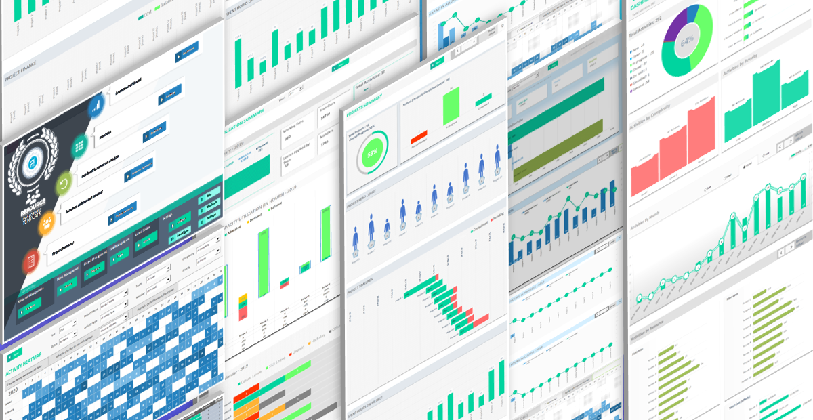

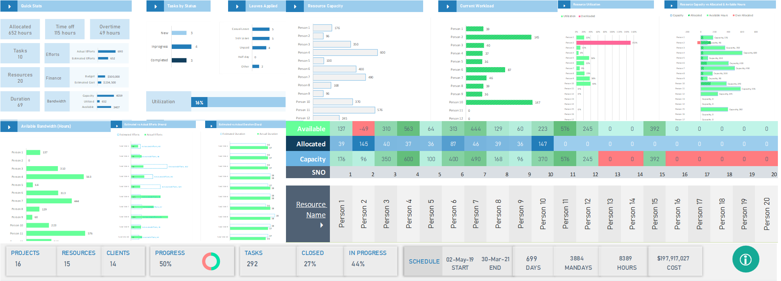

Our Most Popular Project Management Templates
Excel Templates | PowerPoint Templates | MS Word Templates
Browse All Templates4

