Intro
 | Monthly Project Status Report | Get our 120+ Premium Project Management Templates
 | Free Excel Template By Analysistabs®

Get the Full Version
4
Info 4 | Deliver comprehensive monthly project updates with this free Excel template. Includes RAG status summary, milestone tracker, budget overview with variance analysis, resource summary, risk register, and action items — everything your steering committee needs in one professional report.

How to Use This Template ? | 1. Fill in the Project Information section including project name, sponsor, overall budget, and % complete. 2. Update the RAG Status row for Overall, Schedule, Budget, Scope, Resources, and Risk. 3. Write an Executive Summary covering the month's key highlights and outlook. 4. Update the Milestone Tracker with planned vs. actual dates and current status. 5. Fill in the Budget Summary table with planned, actual, and forecast amounts by category. 6. Log Key Accomplishments this month and Planned Activities for next month. 7. Update Risks & Issues and Resource Summary sections. 8. Share with steering committee as Excel or export as PDF for governance meetings.

Download Now 4
Share 4 | Excelx Powered By Analysistabs® is developing Free and Premium l Project Management Templates. Please do not share this downloaded file. Instead, you can share our free template page link with your colleagues and friends, it helps us to create better tools and more templates.
Unlocked Sheets | Easy to Customize | Full Features

100+ FREE Templates | 100+ Free Templates for Project Management, Personal Finance & Productivity
 | https://excelx.com/templates/

120+ PREMIUM Templates | 120+ Premium Templates:
 | https://analysistabs.org/
 | We have develped verity of Premium Project Management Templates with bundle of features! Easy to use Professional Project Management Templates are now avaiable in bundles to save more. Get it Now!

 |  | Get our 100+ Free Excel Templates for Project Management, Personal Finance and Productivity

Email 4 | Please share your feedback or ask questions. Email: info@analysistabs.com
Download Now 4

Locked Sheets | Limited Features
i Please do not delete this worksheet. Instead, you can hide the sheet.

Advanced Project Plan Template
Ultimate Project Plan Advanced Excel Template
The Most Powerful Project Planning Template on the Market
View Details 4

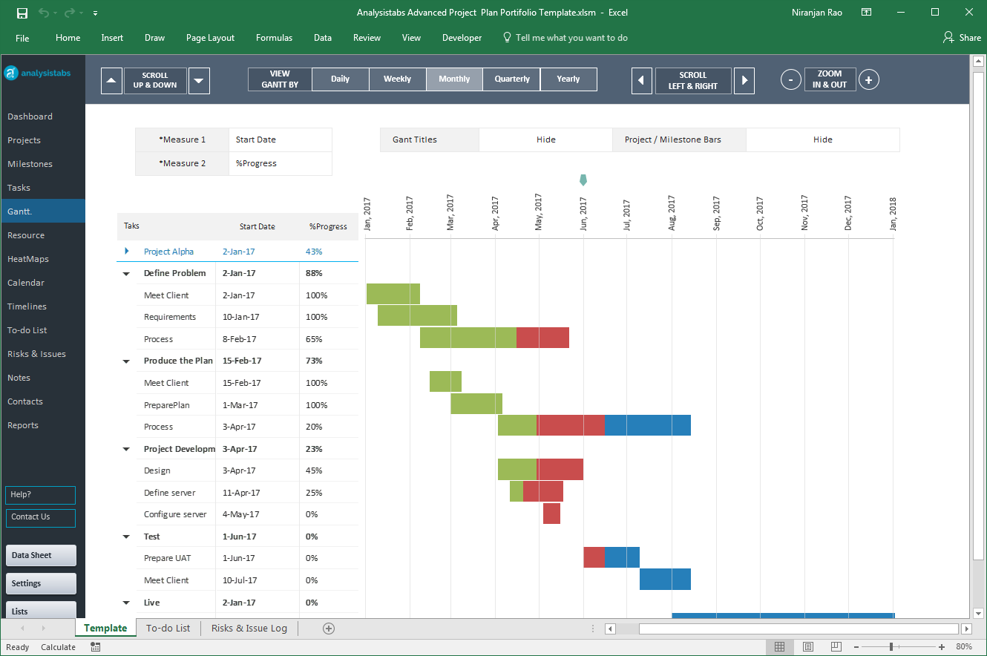

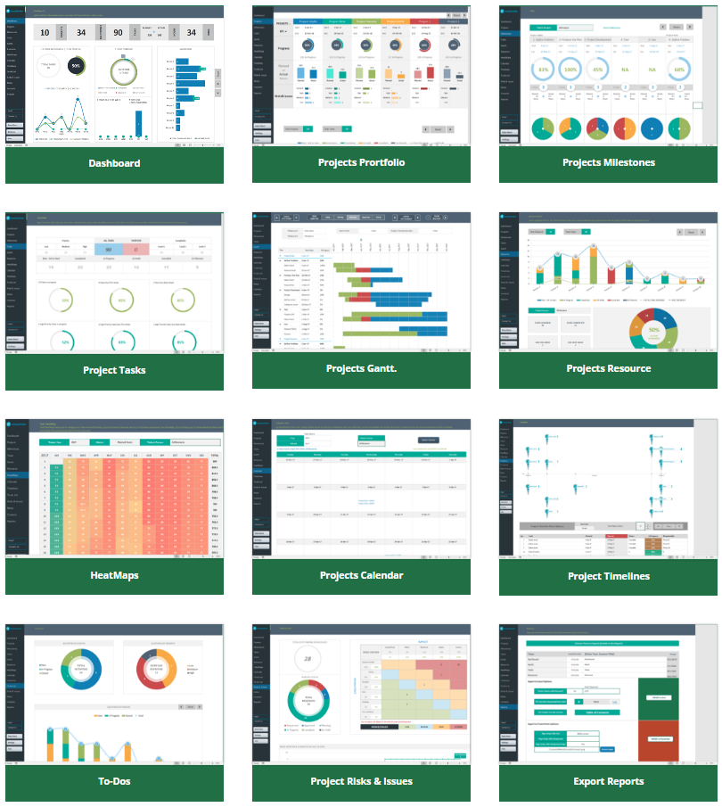

Our Most Popular Project Management Templates
Excel Templates | PowerPoint Templates | MS Word Templates
Browse All Templates4

License-Disclaimer
 | License Terms

4 | Analysistabs® License Agreement
 | This Template/Excel File and sample data is created by Excelx.com Powered by Analysistabs®

4 | Single User License: Allows 1 (Personal Use Only).

4 | You are Allowed

4 | Individual users are permitted to use this file/template for their personal use only
4 | You can share the web page link:(https://excelx.com/)
4 | You can make copies for your own use

4 | You are NOT Allowed

4 | Reproducing of this template is not permitted for reselling, rebranding, team usage, company usage, training and any other business purpose.
4 | You are not allowed to share this template, or the screenshots/ images produced using this template with sample data provided in the template.
4 | You are not allowed to share our template via Emails, Shared drives, Common Folders, Websites, and Social media
4 | You must not remove our copyright notices and Licence sheets from the template
4 | Excel Files/ templates (.xlsx,.xlsm, .docx, .pptx) files should not be shared with others. Instead, you can share following web page link of this template.
Excel Blog

Disclaimer: The information on Excelx.com, including articles, examples, and templates, is for your reference only. We try our best to keep it accurate, but we can't guarantee it's always perfect. If you use this information, you take full responsibility for any risks.

